Fare Checker
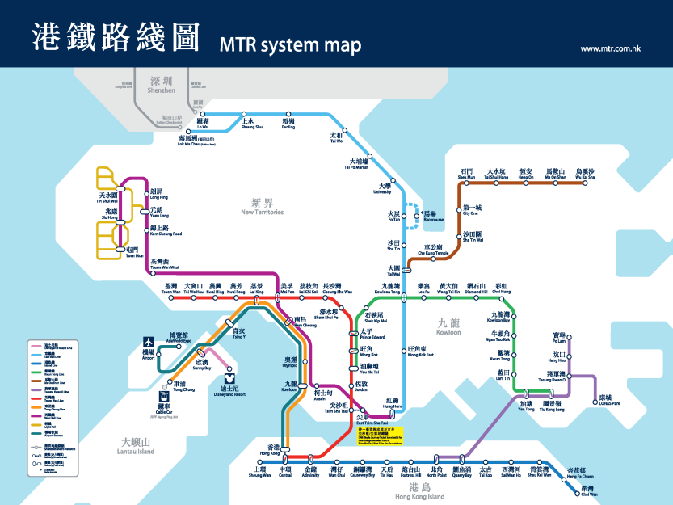
What is your travelling plan? |  |  |  | http://www.mtr.com.hk/eng/train/system_map.html
From: |  | (Please enter a MTR station name)
To: |  | (Please enter a MTR station name)

How many people are in a taxi? | 1 | (From 1 to 5 people)
How fast can you walk? | 6 km/h | (Slow: 4 km/h, normal: 5 km/h, fast: 6 km/h)
 | (Red means invalid input)

MTR Fare and Duration
From-To | Adult Octopus Fare | Student Octopus Fare | Duration
- | #N/A | #N/A | #N/A

Taxi Fare and Duration
From-To | Distance | Fare | Duration
- | #N/A | #N/A | #N/A
Per Person: |  | #N/A

On Foot
From-To | Distance |  | Duration
- | #N/A |  | #N/A

